reference-energy split methods
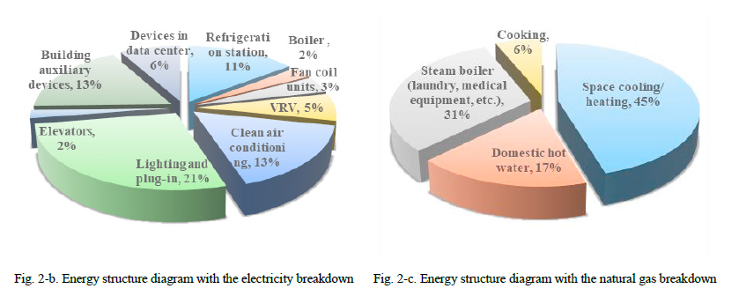
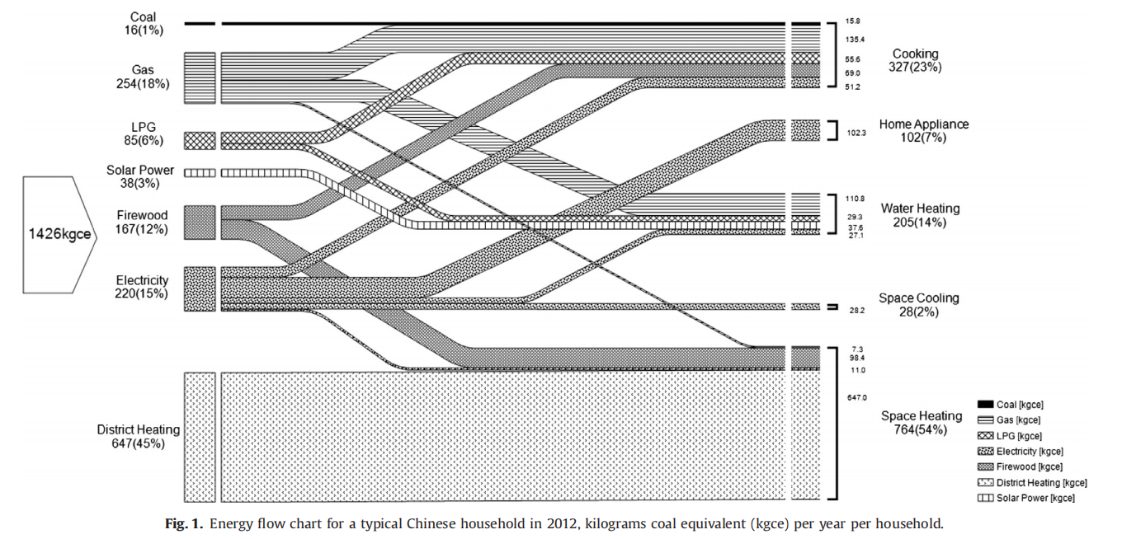
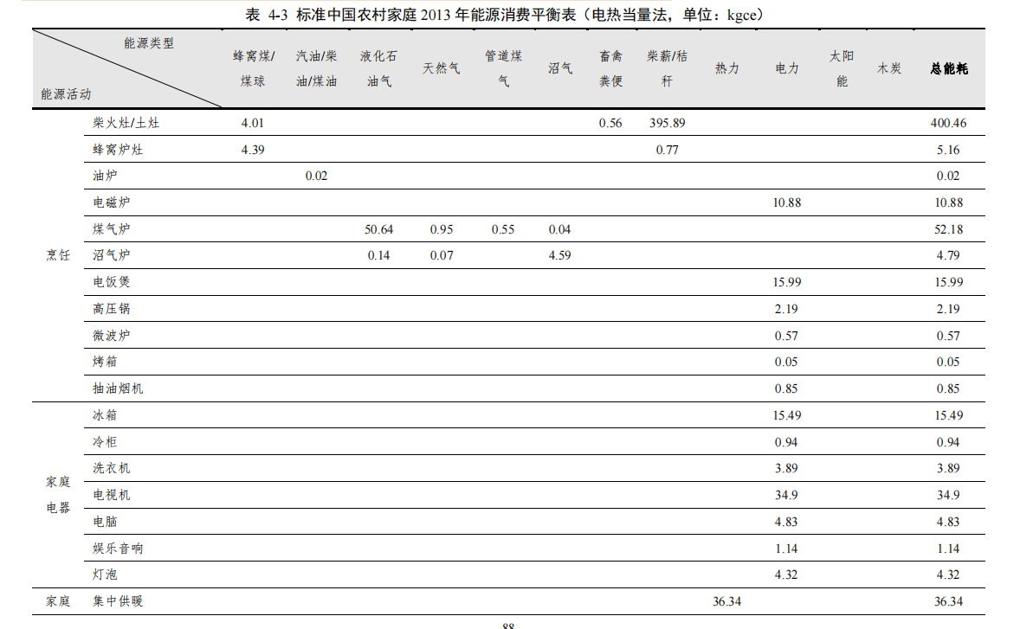
 | 农村能源拆分参考了“中国家庭能源消费研究报告2015”

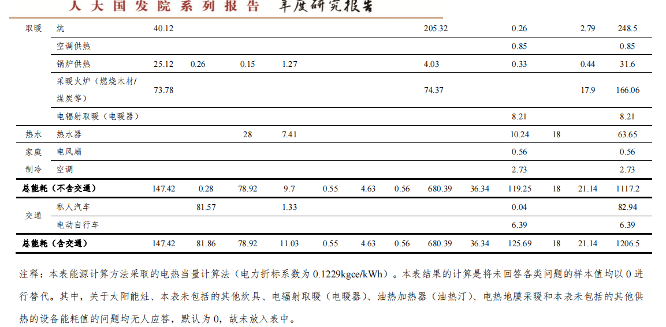

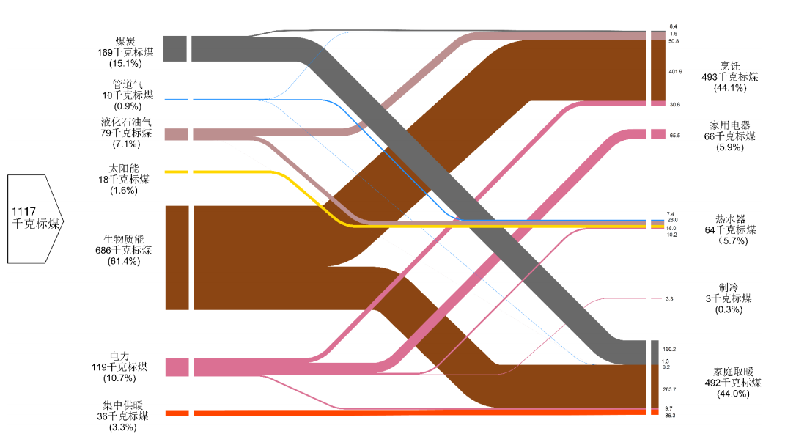

公共建筑参考"Energy consumption, indoor environmental quality, and benchmark for office buildings in Hainan Province of China"
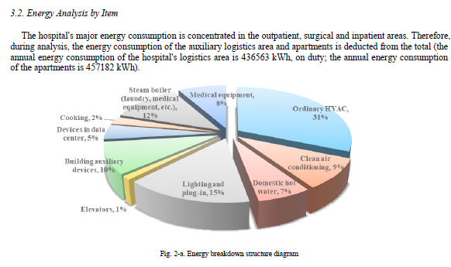
城镇住宅建筑参考“√Zheng et al._2014_Characteristics of residential energy consumption in China_Findings from a household survey”

reference-rural biomass energy
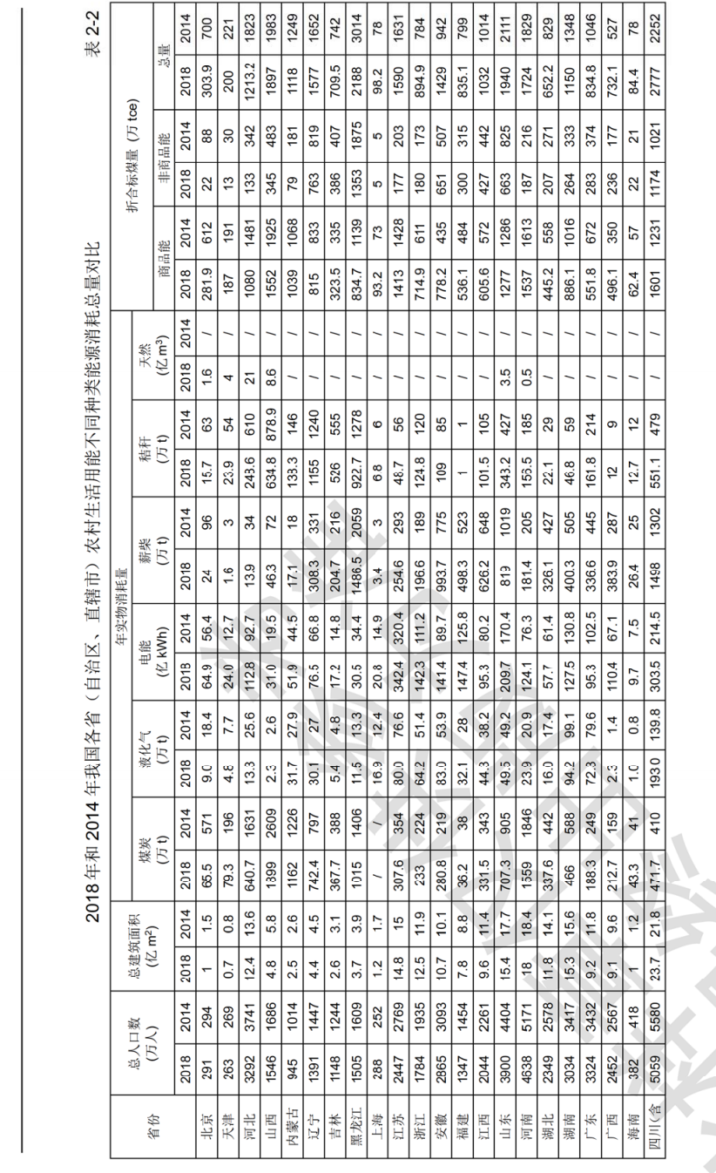

图表来自“2020中国建筑节能年度发展研究报告—简化水印版(1)”

